2026 Benefits - Start
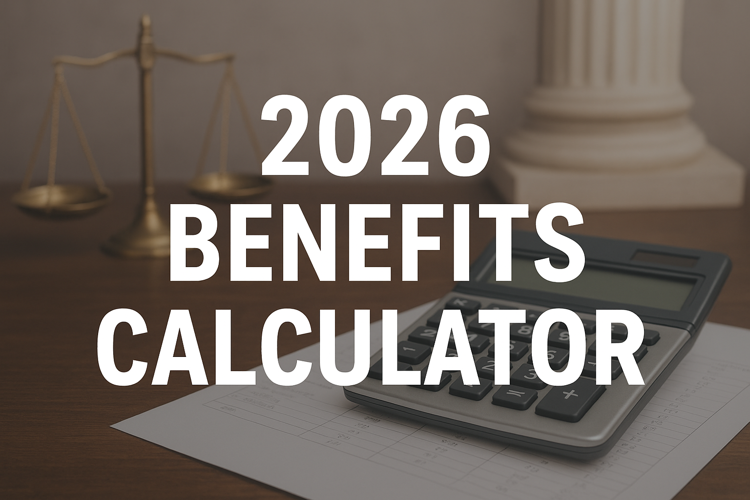

Click one of the following buttons that applies to you:

 | SEIU & CFI (Interpreters)

 | Exempt & Teamsters

 | Commissioners Only

 | Needles Employees Only

SEIU & CFI Only
2026 Bi-weekly
Insurance Premiums
BLUE SHIELD HMO
Emp Only: $495.99
Emp + 1: $992.00
Emp + 2: $1,398.15
BLUE SHIELD TRIO
Emp Only: $410.03
Emp + 1: $820.07
Emp + 2: $1,155.81
BLUE SHIELD PPO
Emp Only: $1,227.11
Emp + 1: $2,454.23
Emp + 2: $3,459.05
KAISER HMO
Emp Only: $394.29
Emp + 1: $788.59
Emp + 2: $1,115.85
DELTACARE HMO
Emp Only: $7.77
Emp + 1: $14.84
Emp + 2: $23.10
DELTA DENTAL PPO
Emp Only: $23.02
Emp + 1: $41.13
Emp + 2: $68.20
EYEMED VISION SUBSIDIZED COST
Eyemed Emp Only: $0
Eyemed Emp + Spouse: $2.83
Eyemed Emp + Child(ren): $3.53
Eyemed Emp + Family: $7.65
 | If part time, select scheduled hours:

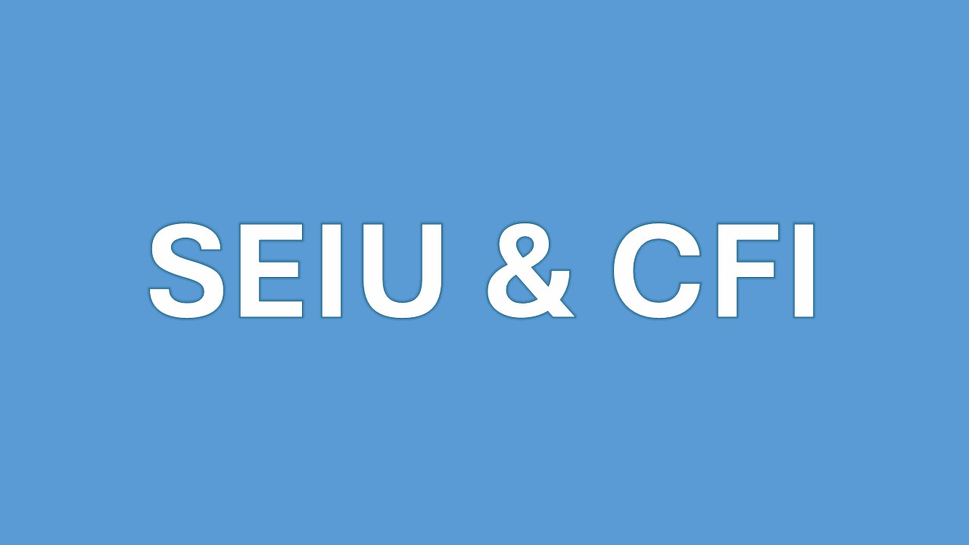
1.) | Choose Health Plan | $0.00
 | Court Paid Medical Subsidy* | $0.00
 | Net Cost | $0.00

2.) | Choose Dental Plan | $0.00
 | Court Paid Dental Subsidy* | $0.00
 | Net Cost | $0.00

 |  | Subsidized* Cost
3.) | Choose Vision Plan | $0.00

 | Subtotal For All Benefits | $0.00
 | Flex Benefit Applied** | $225.00

 | Estimated Bi-Weekly Out of Pocket | $0.00
 | Bi-Weekly Surplus Flex Benefit Dollars Payable As Taxable Compensation ** | $225.00
 | Approx. Monthly Cost after Subsidies & Flex Dollars** : | $0.00
 | *Based on Full-Time Employee benefit rates; maximum subsidy applied until zero.
 | ** When applicable, remaining flex dollars are applied to AD&D/Supplemental Life Premiums. Actual out of pocket costs and/or flex dollar balances may differ from what is shown here due to other factors. Please contact your HR Assistant for further assistance.

Exempt & Teamsters Only
2026 Bi-weekly
Insurance Premiums
BLUE SHIELD HMO
Emp Only: $495.99
Emp + 1: $992.00
Emp + 2: $1,398.15
BLUE SHIELD TRIO
Emp Only: $410.03
Emp + 1: $820.07
Emp + 2: $1,155.81
BLUE SHIELD PPO
Emp Only: $1,227.11
Emp + 1: $2,454.23
Emp + 2: $3,459.05
KAISER HMO
Emp Only: $394.29
Emp + 1: $788.59
Emp + 2: $1,115.85
DELTACARE HMO
Emp Only: $7.77
Emp + 1: $14.84
Emp + 2: $23.10
DELTA DENTAL PPO
Emp Only: $23.02
Emp + 1: $41.13
Emp + 2: $68.20
EYEMED VISION SUBSIDIZED COST
Eyemed Emp Only: $0
Eyemed Emp + Spouse: $2.83
Eyemed Emp + Child(ren): $3.53
Eyemed Emp + Family: $7.65
 | If part time, select scheduled hours:

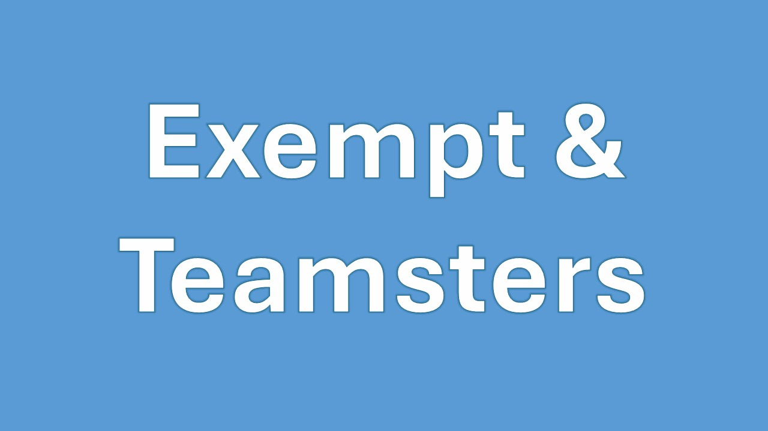
1.) | Choose Health Plan | $0.00
 | Court Paid Medical Subsidy* | $0.00
 | Net Cost | $0.00

2.) | Choose Dental Plan | $0.00
 | Court Paid Dental Subsidy* | $0.00
 | Net Cost | $0.00

 |  | Subsidized* Cost
3.) | Choose Vision Plan | $0.00

 | Subtotal For All Benefits | $0.00
 | Flex Benefit Applied** | $250.00

 | Estimated Bi-Weekly Out of Pocket | $0.00
 | Bi-Weekly Surplus Flex Benefit Dollars Payable As Taxable Compensation ** | $250.00
 | Approx. Monthly Cost after Subsidies & Flex Dollars** : | $0.00
 | *Based on Full-Time Employee benefit rates; maximum subsidy applied until zero.
 | ** When applicable, remaining flex dollars are applied to AD&D/Supplemental Life Premiums. Actual out of pocket costs and/or flex dollar balances may differ from what is shown here due to other factors. Please contact your HR Assistant for further assistance.

Commissioners Only
2026 Bi-weekly
Insurance Premiums
BLUE SHIELD HMO
Emp Only: $495.99
Emp + 1: $992.00
Emp + 2: $1,398.15
BLUE SHIELD TRIO
Emp Only: $410.03
Emp + 1: $820.07
Emp + 2: $1,155.81
BLUE SHIELD PPO
Emp Only: $1,227.11
Emp + 1: $2,454.23
Emp + 2: $3,459.05
KAISER HMO
Emp Only: $394.29
Emp + 1: $788.59
Emp + 2: $1,115.85
DELTACARE HMO
Emp only: $7.77
Emp + 1: $14.84
Emp + 2: $23.10
DELTA DENTAL PPO
Emp Only: $23.02
Emp + 1: $41.13
Emp + 2: $68.20
EYEMED VISION SUBSIDIZED COST
Eyemed Emp Only: $0
Eyemed Emp + Spouse: $2.83
Eyemed Emp + Child(ren): $3.53
Eyemed Emp + Family: $7.65
 | If part time, select scheduled hours:

1.) | Choose Health Plan | $0.00
 | Court Paid Medical Subsidy* | $0.00
 | Net Cost | $0.00
 |  | (Commissioners Only)

2.) | Choose Dental Plan | $0.00
 | Court Paid Dental Subsidy* | $0.00
 | Net Cost | $0.00

 |  | Subsidized* Cost
3.) | Choose Vision Plan | $0.00

 | Subtotal For All Benefits | $0.00
 | Flex Benefit Applied** | $200.00

 | Estimated Bi-Weekly Out of Pocket | $0.00
 | Bi-Weekly Surplus Flex Benefit Dollars Payable As Taxable Compensation ** | $200.00
 | Approx. Monthly Cost after Subsidies & Flex Dollars** : | $0.00
 | *Based on Full-Time Employee benefit rates; maximum subsidy applied until zero.
 | ** When applicable, remaining flex dollars are applied to AD&D/Supplemental Life Premiums. Actual out of pocket costs and/or flex dollar balances may differ from what is shown here due to other factors. Please contact your HR Assistant for further assistance.

Needles Only
2026 Bi-weekly
Insurance Premiums
BLUE SHIELD PPO
Emp Only: $1,227.11
Emp + 1: $2,454.23
Emp + 2: $3,459.05
DELTACARE HMO
Emp Only: $7.77
Emp + 1: $14.84
Emp + 2: $23.10
DELTA DENTAL PPO
Emp Only: $23.02
Emp + 1: $41.13
Emp + 2: $68.20
EYEMED VISION SUBSIDIZED COST
Eyemed Emp Only: $0
Eyemed Emp + Spouse: $2.83
Eyemed Emp + Child(ren): $3.53
Eyemed Emp + Family: $7.65
 | If part time, select scheduled hours:

1.) | Choose Health Plan | $0.00
 | Court Paid Medical Subsidy* | $0.00
 | Net Cost | $0.00
 |  | (Needles Employees Only)

2.) | Choose Dental Plan | $0.00
 | Court Paid Dental Subsidy* | $0.00
 | Net Cost | $0.00

 |  | Subsidized* Cost
3.) | Choose Vision Plan | $0.00

 | Subtotal For All Benefits | $0.00
 | Flex Benefit Applied** | $0.00

4.) | Choose Bargaining Unit | Choose One | 0

 | Estimated Bi-Weekly Out of Pocket | $0.00
 | Bi-Weekly Surplus Flex Benefit Dollars Payable As Taxable Compensation ** | $0.00
 | Approx. Monthly Cost after Subsidies & Flex Dollars** : | $0.00
 | *Based on Full-Time Employee benefit rates; maximum subsidy applied until zero.
 | ** When applicable, remaining flex dollars are applied to AD&D/Supplemental Life Premiums. Actual out of pocket costs and/or flex dollar balances may differ from what is shown here due to other factors. Please contact your HR Assistant for further assistance.

